Sheet1
 | Operator Joystick |  |  |  |  | (Feb 17, 2019)

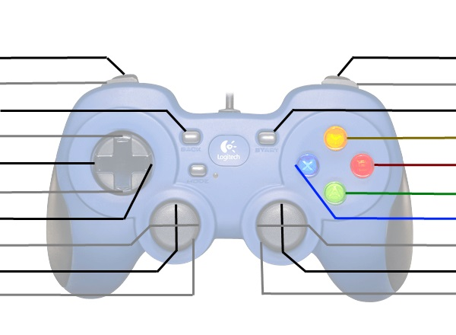

Toggle Ball Intake Wheels |  |  |  |  |  | Toggle Hatch Panel Grabber
Select Position 1* |  |  |  |  |  | Deliver Hatch Panel
Select Position 4* |  |  |  |  |  | Deliver Cargo
Select Position 3* |  |  |  |  |  | Intake Cargo
Select Position 2* |  |  |  |  |  | Intake Hatch Panel
Manipulator Flip |  |  |  |  |  | Ball Intake In/Out
Manipulator Intake In/Out |  |  |  |  |  | Elevator Up/Down
Kill Everything |  |  |  |  |  | Kill Everything

 | *Positions | Hatch In | Cargo In | Hatch Out | Cargo Out
 | 1 | Loading Station | Rear Ball Intake | Rocket 1, Cargo Ship | Rocket Level 1
 | 2 |  | Loading Station | Rocket Level 2 | Rocket Level 2
 | 3 |  |  | Rocket Level 3 | Rocket Level 3
 | 4 |  |  |  | Cargo Ship

 | Driver Joystick

 |  |  |  |  |  | Arcade Drive Turn
Arcade Drive Fwd/Back
Kill Everything |  |  |  |  |  | Kill Everything

